Sheet1
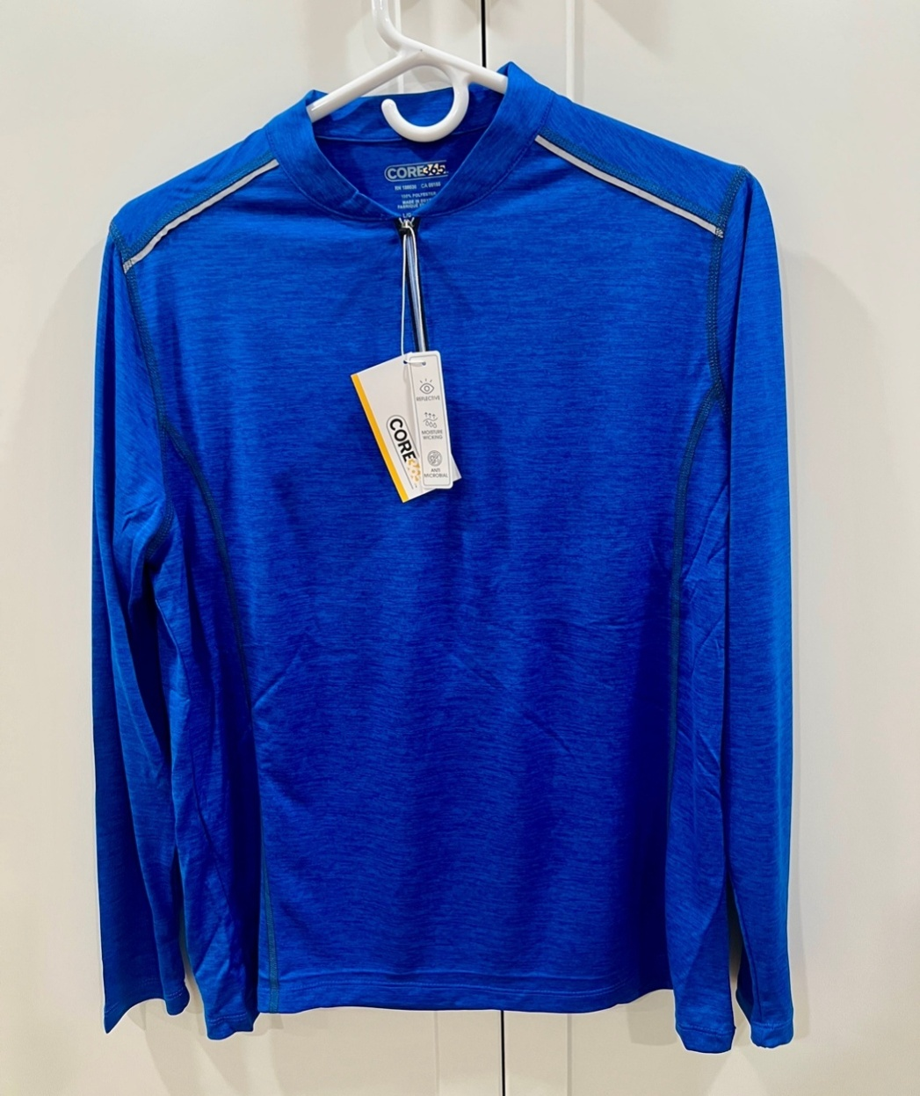
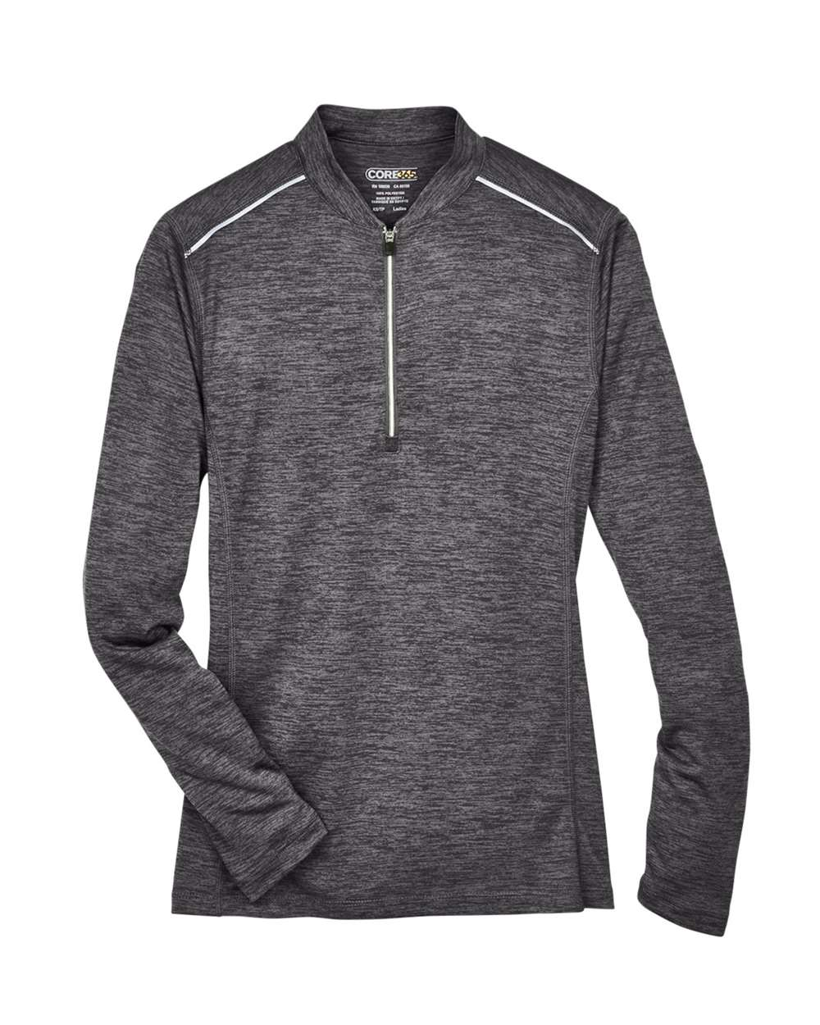
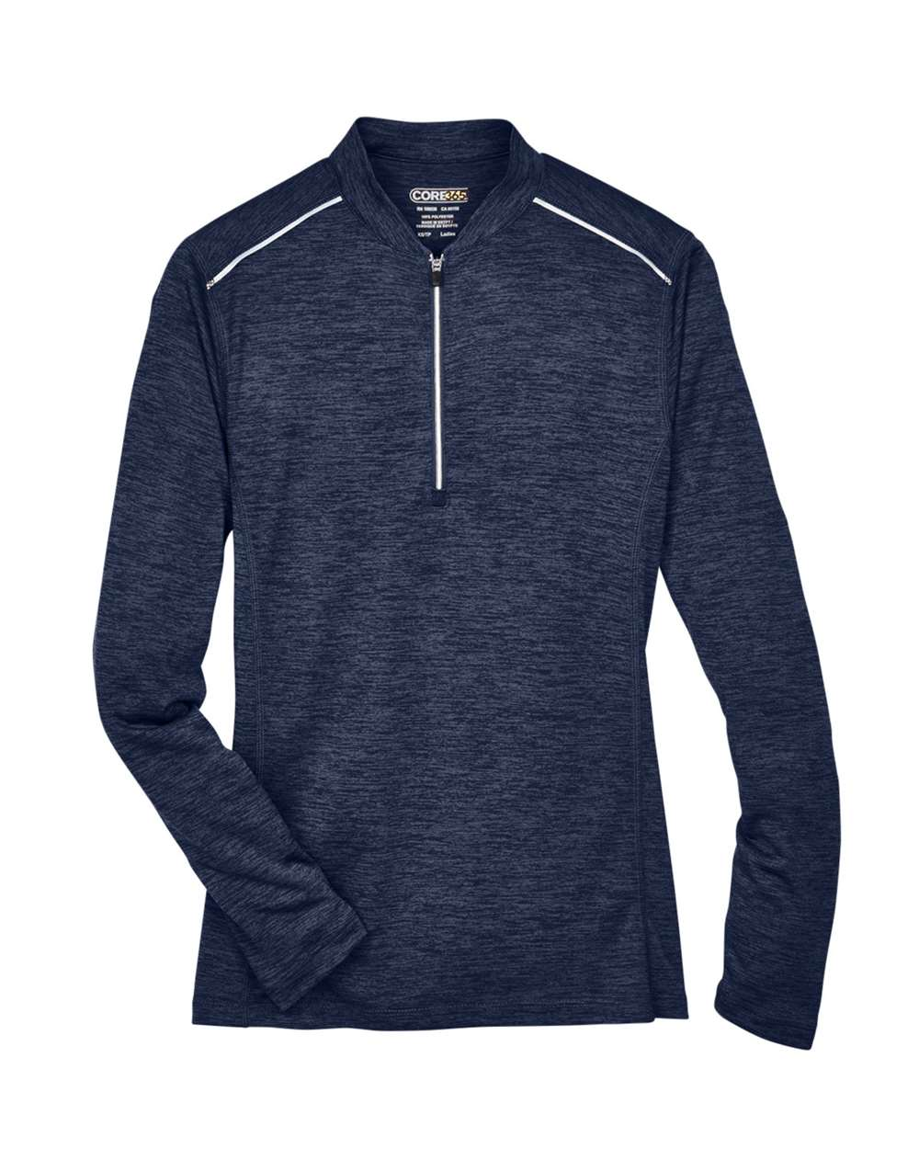
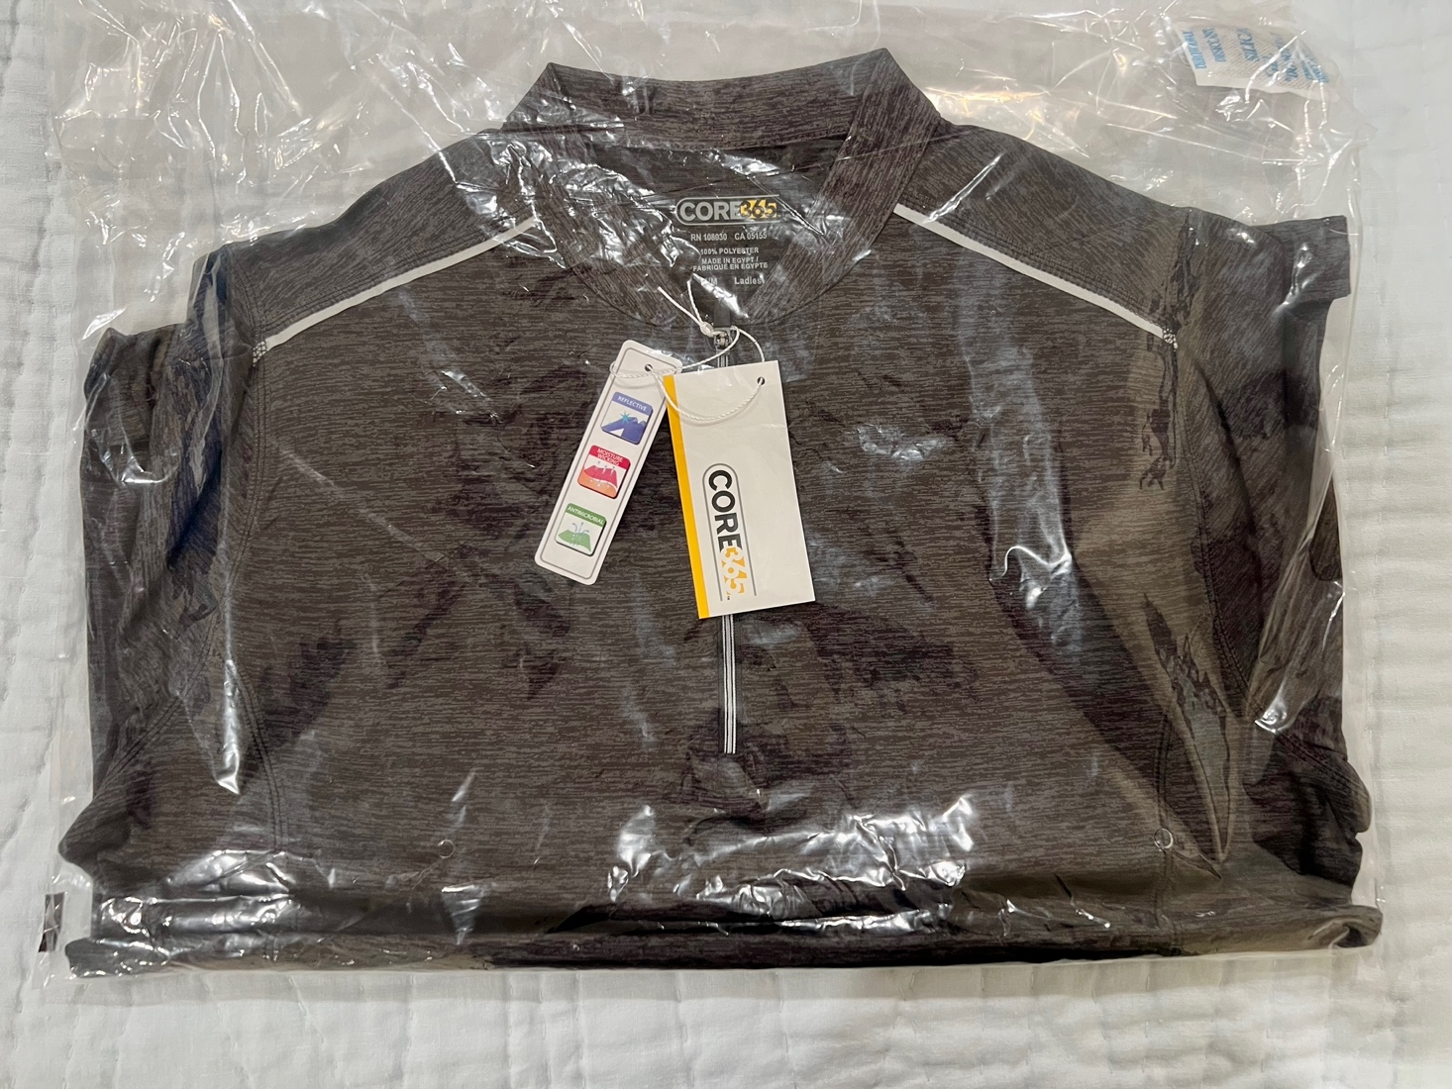
Color | FOB | XS | S | M | L | XL | 2XL | 3XL | Total

Carbon/ Black | OH | 145 | 1460 | 1512 | 1266 | 1098 | 606 | 313 | 6400
Classic Navy Heather/ Carbon | OH | 98 | 341 | 0 | 0 | 0 | 0 | 303 | 742
True Royal/ Carbon | OH | 126 | 436 | 0 | 0 | 0 | 0 | 445 | 1007
 |  | 369 | 2237 | 1512 | 1266 | 1098 | 606 | 1061 | 8149

